Sheet3
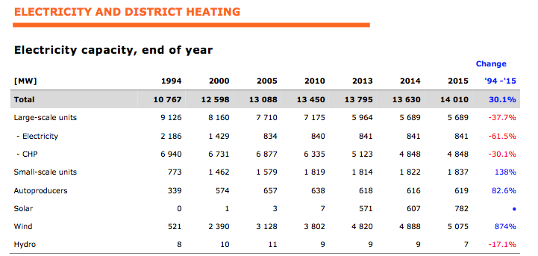

Total installed capacity | 782

Split 2017 | Split
Commercial/services | 15.9%
Households | 54.5%
Field | 29.6%
 | 100.0%

Split 2015 (based on 2017)
Commercial/services | 124.52466302
Households | 426.30170139
Field | 231.17363559

 |  | Denmark |  | 2,017
 |  | Household units without battery | MW | 461
 |  | Household units with battery | MW | 4
 |  | Commercial units without battery | MW | 133
 |  | Commercial units with battery | MW | 3
 |  | Field system | MW | 252
 |  | Total, Denmark | MW | 852
 |  | All values logged at the beginning of the year. Reference: Solar cells and batteries in Denmark [Solceller og batterier i Danmark] (Energinet, 2016).
 |  | From: Energinet Analysis assumptions 2017

